Evidence
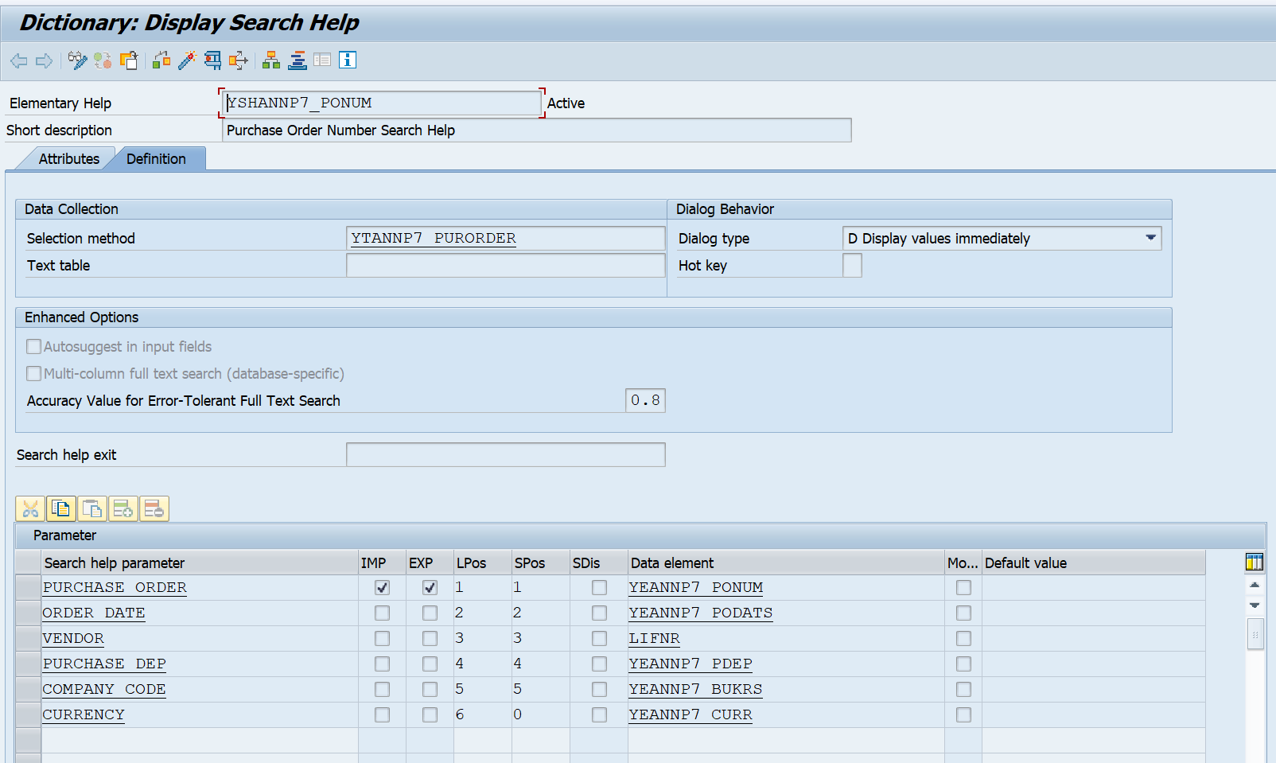
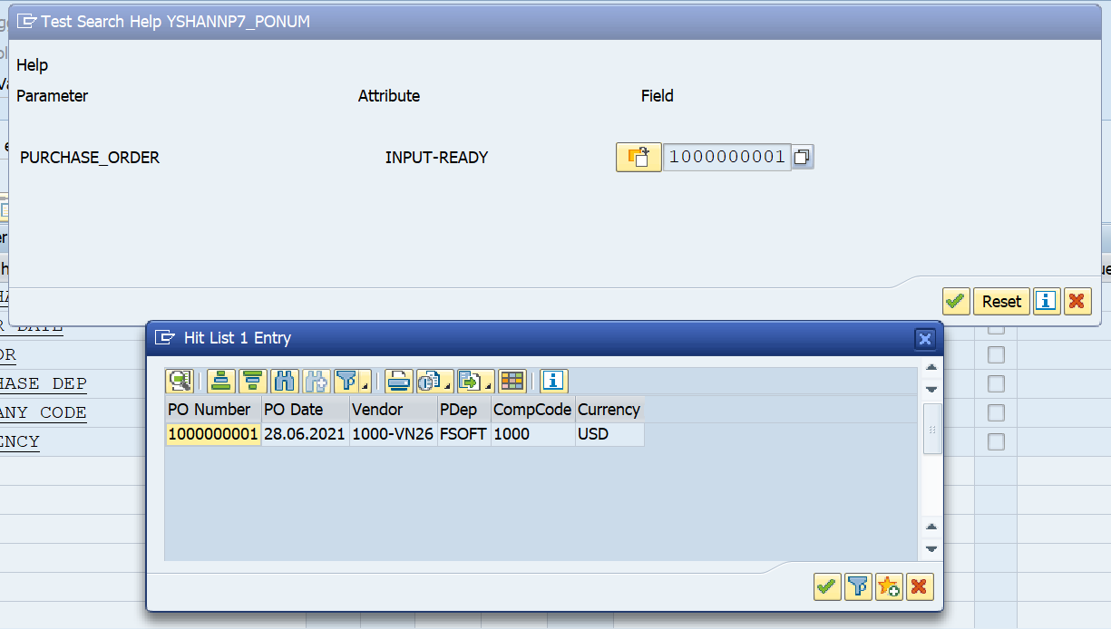
Exercise/Remarks | Screenshots

Exercise 1 | Program Name: | YTANNP7_PURORDER & YSANNP7_TBLCM

 | <screenshot>
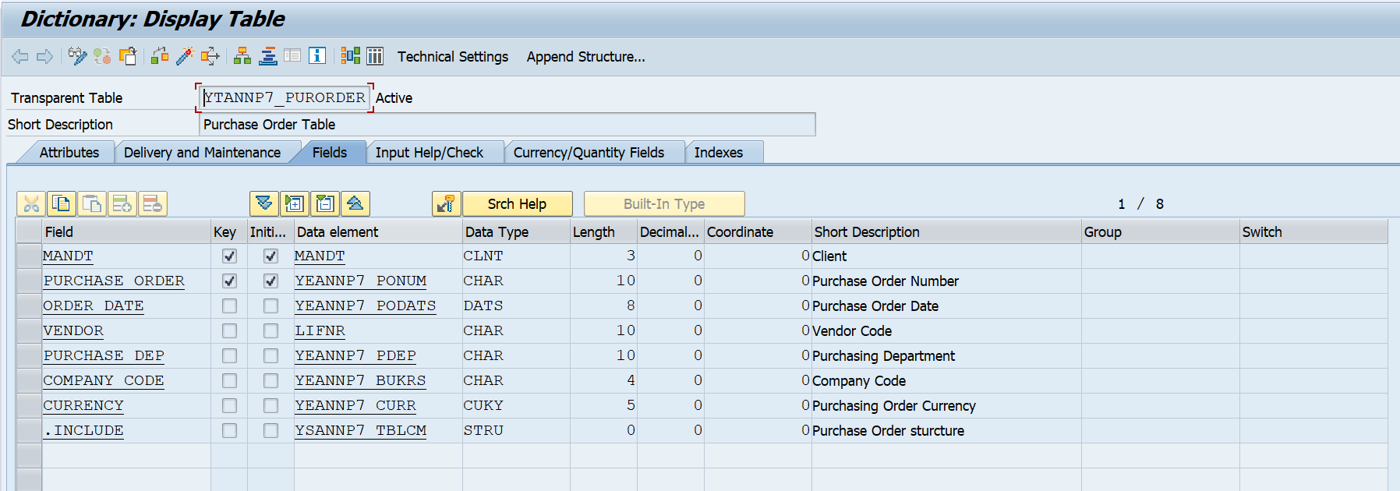

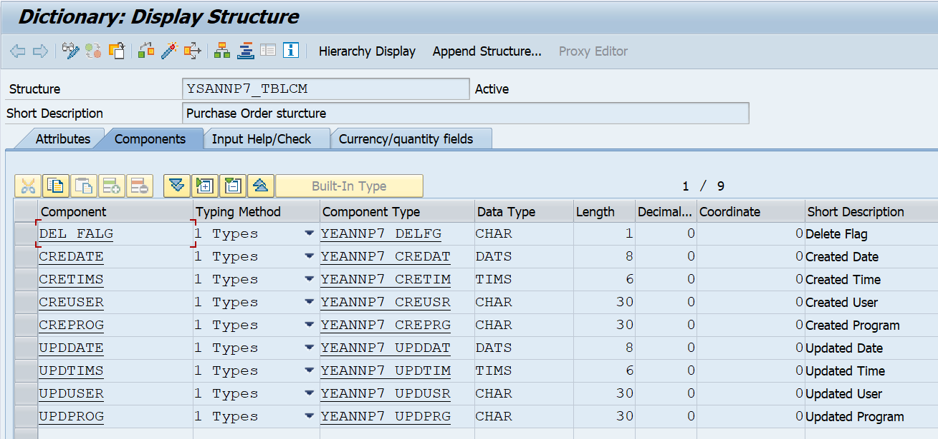

Exercise 2 | Program Name: | YTANNP7_PURORDIT

 | <Screenshot>

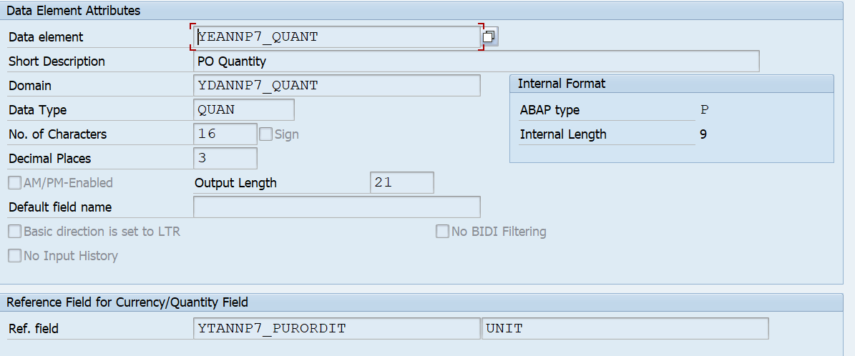

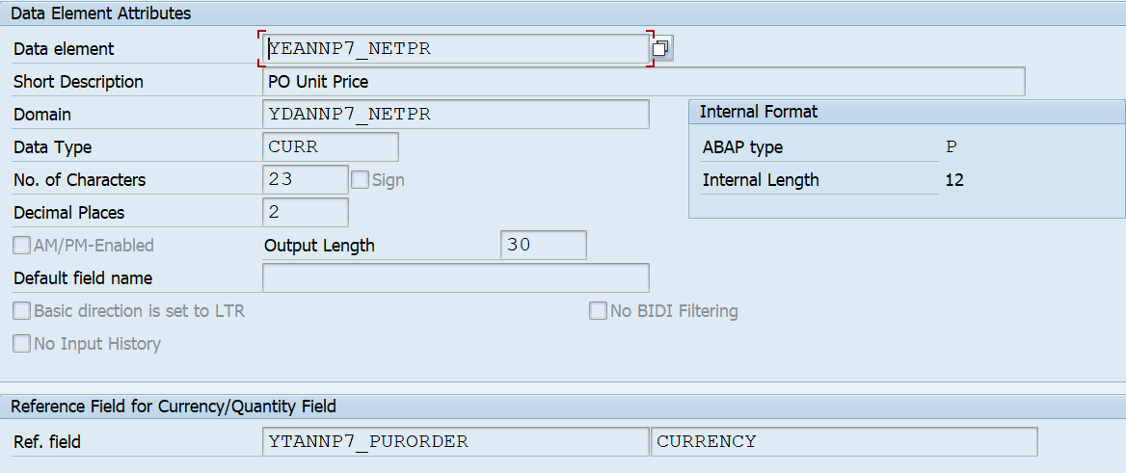

Exercise 4 | Program Name: | YTANNP7_PURODER & YTANNP7_PURORDIT

 | <screenshot>

Exercise 5 | Program Name: | YSHANNP7_PONUM

 | <screenshot>

